Cover sheet
Risk Evaluation Register

 | The Balancing and Settlement Code (BSC), Section Z 5.5, requires the Performance Assurance Board (PAB) to prepare and maintain a register setting out the Settlement Risks that have been , and the significance of each such Settlement Risk - the Risk Evaluation Register (RER). The PAB reviews the risks annually, and as appropriate within the year. A draft is provided to Performance Assurance Parties (PAP) and other interested parties for comment. Appropriate changes are made following consideration of these comments, after which the PAB approves and adopts the RER. The PAB will use the risk register to decide when and how to deploy the assurance techniques to mitigate the risks, in the Risk Operating Plan (ROP).

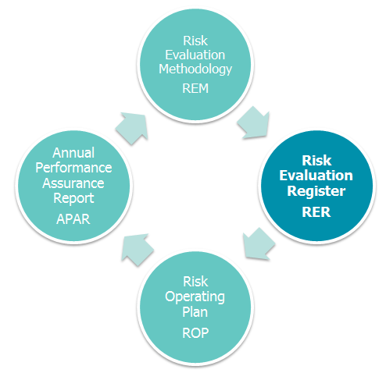
 | Version: | 1.0
 | Effective From Date: | 1-Apr-20
 | Status: | Proposed

 | Contents: | Risk register summary
 |  | Events log
 |  | Controls log
 |  | RER change log
 |  | Closed risks

 | Where to find out more:
 | - visit https://www.elexon.co.uk/reference/performance-assurance/
 | - Risk Evaluation Methodology - https://www.elexon.co.uk/reference/performance-assurance/performance-assurance-processes/
 | - contact paa@elexon.co.uk
 | - risk visualisation tool - https://www.elexon.co.uk/reference/performance-assurance/performance-assurance-processes/settlement-risks-risk-visualisation-tool/

