Cover sheet
Risk Evaluation Register

 | The Balancing and Settlement Code (BSC), Section Z 5.5, requires the Performance Assurance Board (PAB) to prepare and maintain a register setting out the Settlement Risks that have been , and the significance of each such Settlement Risk - the Risk Evaluation Register (RER). The PAB reviews the risks annually, and as appropriate within the year. A draft is provided to Performance Assurance Parties (PAP) and other interested parties for comment. Appropriate changes are made following consideration of these comments, after which the PAB approves and adopts the RER. The PAB will use the risk register to decide when and how to deploy the assurance techniques to mitigate the risks, in the Risk Operating Plan (ROP).

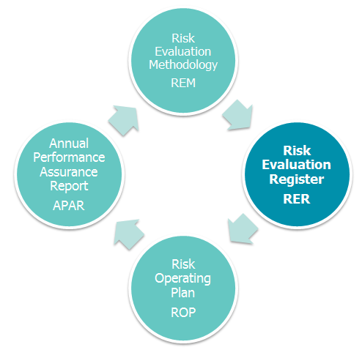
 | Version: | 1.0 | Focus Risks 2019/20
 | Effective From Date: | 1-Apr-19 | 003 | Metering Equipment installation, programming, maintenance and Commissioning
 | Status: | In use
 |  |  | 005 | Fault resolution
 |  |  | 007 | Retrieval of Metered Data
 | Contents: | Risk register summary | 011 | Unmetered Supplies
 |  | Events log | 016 | Energisation status
 |  | Controls log | 018 | Revenue protection
 |  | RER change log | 021 | Retrieval and processing of Metered Data
 |  | Closed risks | 023 | Fault resolution

 | Where to find out more:
 | - visit https://www.elexon.co.uk/reference/performance-assurance/
 | - Risk Evaluation Methodology - https://www.elexon.co.uk/reference/performance-assurance/performance-assurance-processes/
 | - contact paa@elexon.co.uk
 | - risk visualisation tool - https://www.elexon.co.uk/reference/performance-assurance/performance-assurance-processes/settlement-risks-risk-visualisation-tool/

